Лист1
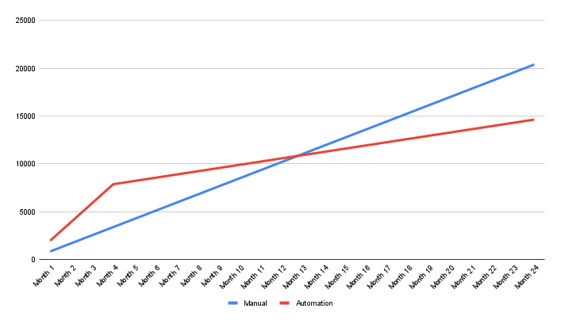
 | Input data |  | Manual | Automation
Manual efforts per 1 execution of test suite(s) | 80 | Month 1 | 850 | 1970
Actual number of test suite executions | 6 | Month 2 | 2820 | 2308
Hourly rate (Manual Engineer) | 10 | Month 3 | 4790 | 2646
Hourly rate (Automation Engineer) | 12 | Month 4 | 6760 | 2984
Expected number of executions | 12 | Month 5 | 8730 | 2984
Estimates for automation of test suite(s) | 640 | Month 6 | 10700 | 2984
Automation implementation: engineer(s) involvement | 160 | Month 7 | 12670 | 2984
Automation support: | 24 | Month 8 | 14640 | 2984
Cost of environment for Manual testing | 50 | Month 9 | 16610 | 2984
Cost of environment for Automation testing | 50 | Month 10 | 18580 | 2984
 |  | Month 11 | 20550 | 2984
 |  | Month 12 | 22520 | 2984
Cost of Manual tester per month | 850 | Month 13 | 24490 | 2984
Cost of Automation implementation | 1970 | Month 14 | 26460 | 2984
Cost of Aut. tester after implemenation | 338 | Month 15 | 28430 | 2984
 |  | Month 16 | 30400 | 2984
 |  | Month 17 | 32370 | 2984
 |  | Month 18 | 34340 | 2984
 |  | Month 19 | 36310 | 2984
 |  | Month 20 | 38280 | 2984
 |  | Month 21 | 40250 | 2984
 |  | Month 22 | 42220 | 2984
 |  | Month 23 | 44190 | 2984
 |  | Month 24 | 46160 | 2984

